Data validation
Emp Code | Employee Name |  |  | Address | City | Region | Department | Basic | Age | Gender | Region | Mobile No | istext | gender
1 | JP Kumar | JP KUMAR | INDIA-453627 | Andheri (W) | Mumbai | W | Training | 6250 |  | Male | SE | 6547839209 |  | 1
2 | Anjali Thakur | JP KUMAR | INDIA-Bangalore | Govindpuri | Delhi | N | Accounts | 8750 |  | Male | N |  |  | 0 |  | W
3 | Priya Agarwal |  |  | Sector 9 | Noida | N | Marketing | 11250 |  | Female | N |  |  |  | SE | N
4 | R Vasu |  |  | Egmore | Chennai | S | R&D | 10000 |  |  |  |  |  |  |  | S
5 | Sanjay Gupta |  |  | G K - II | Delhi | N | Training | 8900 |  |  |  |  |  |  |  | E
6 | Sanjay Gupta |  |  | Link Road | Cuttack | E | Accounts | 6600 |  | Male |  |  |  |  |  | NE
7 | Prakash Dutta |  |  | Elgin Road | Kolkata | E | Marketing | 4500 |  |  |  |  |  |  |  | SE
8 | Prakash Dutta |  |  | Alipore | Kolkata | E | R&D | 6275 |  | Female |  |  |  |  |  | SW
9 | Arjun Jain |  |  | MG Road | Mumbai | W | Training | 6250 |  | Female |  |  |  |  | S
10 | Arjun Kapoor |  |  | Kormangala | Bangalore | S | Accounts | 8750
11 | Abrar |  |  | Jayanagar | Bangalore | S | Marketing | 11250
12 | Shahid Khan |  |  | M.G Road | Mangalore | S | R&D | 10000
13 | Anupam Mishra |  |  | Govindpuri | Mysore | S | Training | 16250
14 | Ashwini |  |  | Sector 9 | Mangalore | S | Accounts | 6400
15 | Prateek Babbar |  |  | North Road | Delhi | N | Marketing | 4500
16 | Sukanya Reddy |  |  | Alipore | Mangalore | S | R&D | 6275
17 | Satish Puri |  |  | Bandra | Mumbai | W | Operation | 6250
18 | Anjum Chopra |  |  | Worli | Mumbai | W | R&D | 8750
19 | Akram Khan |  |  | S P B Road | Pune | W | Operation | 11250
20 | Manish Grover |  |  | L L R Road | Noida | N | Training | 10000

 |  |  |  |  |  |  |  |  |  |  | this column is made on list using define name by selecting C25:C28
 |  |  |  |  |  |  |  |  | whole number
 |  |  |  | W |  |  |  |  | between | this column is made based on list and source is male and female
 |  |  |  | N
 |  |  |  | S |  |  |  |  | when yu give circle invalid data wherever the data is against criteria circle will be marked
 |  |  |  | E |  | N

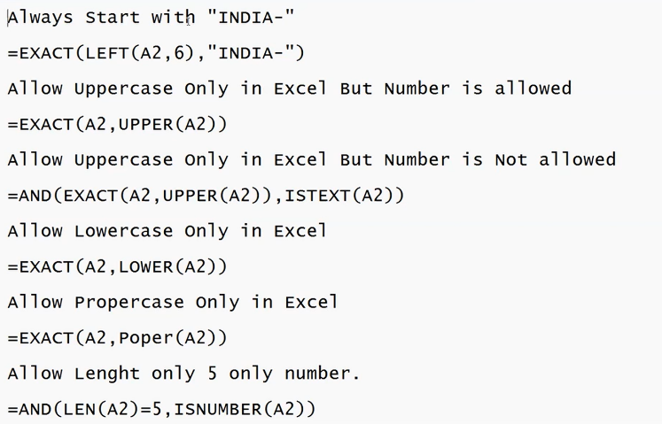
 |  |  |  |  |  |  |  |  |  |  |  | mobile no. column using text length and equla to then length 10

 |  |  |  |  |  |  |  |  |  |  |  | in data validation selectin custom will you to enter formula

Sheet3
